Structure
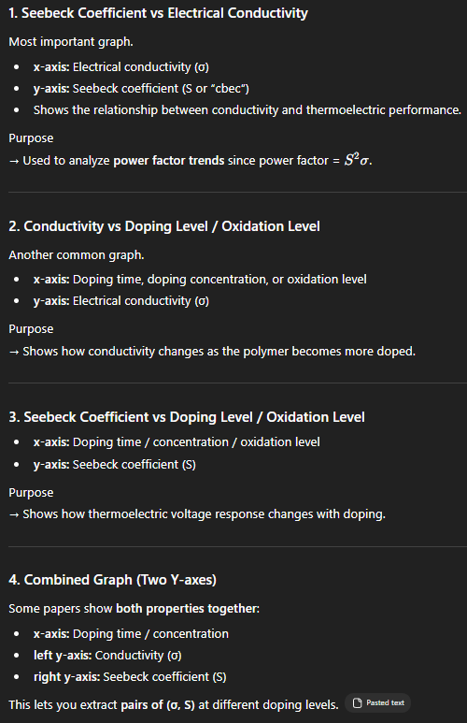
Dataset 1 | Monomer Structure |  |  |  |  |  |  |  |  |  |  |  |  |  |  |  |  |  |  |  |  |  |  |  |  | Dataset 2 | Material / Processing / Performance |  |  |  |  |  |  |  |  |  |  |  |  |  |  |  |  |  |  |  |  |  |  |  |  |  |  |  |  |  |  | Dataset 3 | Graph Extracted Data
id | exact_polymer_name | repeat_unit_name | parent_family | monomer_structure_text | Molecular Weight (Number of repeated monomers) | smiles | structure_2d | structure_3d | heteroatom_type | fused_ring_count | ring_system_type | backbone_type | backbone_planarity | conjugation_length | side_chain_present | side_chain_type | side_chain_length | side_chain_branching | polarity | dipole_related_feature | charge_type | base_polymer_or_derivative | notes_on_structure | reference_doi | evidence_location | record_id | polymer_id | exact_material_name | parent_family | material_type | charge_type | solvent | dopant | dopant_category | doping_status | doping_method | doping_level | secondary_component | filler_or_additive | film_preparation_method | material_form | thickness | post_treatment | annealing | annealing_temperature | measurement_temperature | electrical_conductivity | seebeck_coefficient | power_factor | thermal_conductivity | zt | graph_format | paired_sigma_seebeck_extracted | reason_for_performance | application | reference_doi | evidence_location | datapoint_id | polymer_id | record_id | graph_variable | doping_or_oxidation_level | seebeck_coefficient | electrical_conductivity | power_factor_calculated | measurement_temperature | units_seebeck | units_conductivity | units_doping_level | graph_type | digitization_method | reference_doi | evidence_location
A1 | PDPPSe-12 | selenium-substituted diketopyrrolopyrrole | Diketopyrrolopyrrole (DPP) | Diketopyrrolopyrrole core with selenium-substituted thiophene units and branched alkyl side chains |  | NA | Fig. 1b | Extended Data Fig. 1b | Se, N, O, S | 2 | Heterocyclic | Conjugated | Planar | NA | Yes | Alkyl | $C_{12}, C_{10}$ | Branched | NA | NA | p-type | Base | polycrystalline, high-mobility | 10.1038/s41586-024-07724-2
A2 | PBTTT | poly(2,5-bis(3-tetradecylthiophen-2-yl)thieno[3,2-b]thiophene) | Polythiophene | Alternating thieno[3,2-b]thiophene and thiophene units with linear tetradecyl side chains |  | NA | Fig. 1c | Extended Data Fig. 1c | S | 2 | Heterocyclic | Conjugated | Planar | NA | Yes | Alkyl | $C_{14}$ | Linear | NA | NA | p-type | Base | liquid-crystalline features, high-mobility | 10.1038/s41586-024-07724-2
A3 | (6, 4, 4) PMHJ | NA | Polymeric multi-heterojunction | Periodic dual-heterojunction structure composed of alternating sub-10-nm layers of P1 and P2 |  | NA | Fig. 1a | Extended Data Fig. 1b-d | Se, N, O, S, F | NA | Combined | Composite | NA | NA | Yes | Mixed | NA | NA | NA | NA | p-type | Architecture | 6 nm P1 layer, 4 nm PBTTT layer, 4 nm interpenetrating interface | 10.1038/s41586-024-07724-2
A4 | P3HT
A5 | PDPP4T
A6 | P3HT
A7 | PDPP4T
A8 | P3HT
A9 | PBTTT-C14
A10 | P2TDC17-FT4
A11 | P3HT
A12 | PBTTT-C14

